Homework
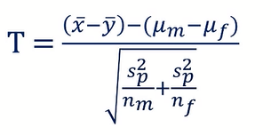
Practical example. Hypothesis testing.
Homework

Background: | You are given the same dataset. We have also created two new worksheets: 'White' (containing only employees that are indicated as white) and 'Nonwhite' (Asian, Black or African American, Hispanic, Two or more races).
 | With the help of the new worksheets, it will be easier for you to calculate sample statistics.
Task: | Using the same methodology as in the lecture, find if there is pay gap based on race.

H0: μwhite - μnon-white = 0
H1: μwhite - μnon-white != 0

 |  |  |  |  |  |  |  | Decision
Overall | n | Mean | Sample variance | Pooled variance | T-score | Deg. Freedom | p-value | Accept if: p < (α =0.05)
White | 112 | $67,323.10 | $²1,126,578,660.72 | $²1,154,494,099.93 | 0.67 | 172 | 0.50 | FALSE
Nonwhite | 62 | $70,917.26 | $²1,205,291,046.68

* If degree of freedom is greater than 50, then T-score & Z-score overlaps each other.

As decision turns to False, means that there is no evedence that company is discriminating employee on the basis of ethinicity.

1. Variables are independent(i.e; White & Non-white)
2. Small sample size, use t-statistic to take out T-score.
3. Variance is known but assumed equal.

Pooled variance

T-score

